Basic
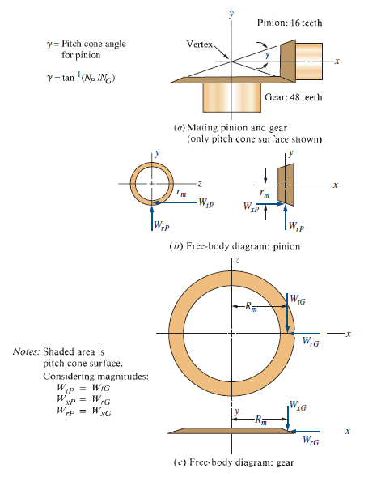
Gear # | No. Teeth | Power Transmitted (hp) | Rotational Speed (rpm) | Torque (lb-in) | Diametral Pitch | Pitch Diameter | Spiral Angle (degrees) | Pressure Angle (degrees) | Pinion Pitch Cone Angle (degrees) | Face Width (in) | Mean Radius Of Pinion | Tangential Force (lb) | Radial Force (lb) | Axial Force (lb) | Pitch Line Velocity (fpm) | Quality Number
3 | 18 | 24 | 900 | 1680 | 6.545 | 2.75 | 35 | 20 | 26.565051177 | 1 | 1.1513932023 | 1459.1018921 | 475.00314198 | 237.50157099 | 647.9534848 | A10
4 | 36 | 24 | 450 | 3360 | 6.545 | 5.5 | 35 | 20 | n/a | 1 | n/a | 1459.1018921 | 237.50157099 | 475.00314198 | 647.9534848 | A10
6 | 18 | 16 | 1350 | 746.66666667 | 6.545 | 2.75 | 35 | 20 | 26.565051177 | 1 | 1.1513932023 | 648.48972984 | 211.11250755 | 105.55625377 | 971.9302272 | A8
7 | 36 | 16 | 675 | 1493.3333333 | 6.545 | 5.5 | 35 | 20 | n/a | 1 | n/a | 648.48972984 | 105.55625377 | 211.11250755 | 971.9302272 | A8

Iteration 4 (decrease Pd)
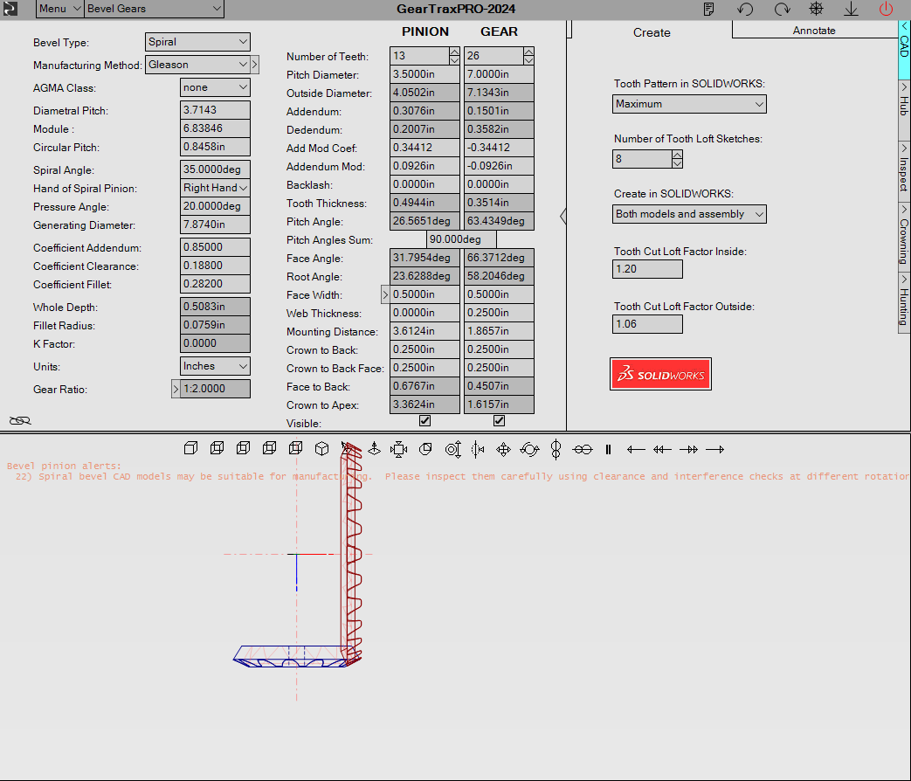
No. Teeth | Power Transmitted (hp) | Rotational Speed (rpm) | Torque (lb-in) | Diametral Pitch | Pitch Diameter | Spiral Angle (degrees) | Pressure Angle (degrees) | Pinion Pitch Cone Angle (degrees) | Face Width (in) | Mean Radius Of Pinion | Tangential Force (lb) | Radial Force (lb) | Axial Force (lb) | Pitch Line Velocity (fpm) | Quality Number
13 | 24 | 900 | 1680 | 3.7142857143 | 3.5 | 35 | 20 | 26.565051177 | 1 | 1.5263932023 | 1100.6338324 | 358.30570257 | 179.15285128 | 824.66807157 | A8
26 | 24 | 450 | 3360 | 3.7142857143 | 7 | 35 | 20 | n/a | 1 | n/a | 1459.1018921 | 237.50157099 | 475.00314198 | 824.66807157 | A8
13 | 16 | 1350 | 746.66666667 | 3.7142857143 | 3.5 | 35 | 20 | 26.565051177 | 1 | 1.5263932023 | 489.17059219 | 159.24697892 | 79.62348946 | 1237.0021074 | A8
26 | 16 | 675 | 1493.3333333 | 3.7142857143 | 7 | 35 | 20 | n/a | 1 | n/a | 648.48972984 | 105.55625377 | 211.11250755 | 1237.0021074 | A8

Quality Number | Pitch Line Velocity (fpm) | B | C | Kv
8 | 706.85834706 | 0.52021142444 | 76.868160231 | 1.1671046625
8 | 706.85834706 | 0.52021142444 | 76.868160231 | 1.1671046625
8 | 1060.2875206 | 0.52021142444 | 76.868160231 | 1.2016988131
8 | 1060.2875206 | 0.52021142444 | 76.868160231 | 1.2016988131

No. Teeth | Power Transmitted (hp) | Rotational Speed (rpm) | Torque (lb-in) | Diametral Pitch | Ks
13 | 24 | 900 | 1680 | 3.7142857143 | 0.54412692308
26 | 24 | 450 | 3360 | 3.7142857143 | 0.54412692308
13 | 16 | 1350 | 746.66666667 | 3.7142857143 | 0.54412692308
26 | 16 | 675 | 1493.3333333 | 3.7142857143 | 0.54412692308

Pitch Line Velocity (fpm) | Kv | Ks | Ko | Km | Kx | J | St
706.85834706 | 1.1671046625 | 0.54412692308 | 1.5 | 1.0036 | 1 | 0.183 | 18627.620525
706.85834706 | 1.1671046625 | 0.54412692308 | 1.5 | 1.0036 | 1 | 0.179 | 19043.880201
1060.2875206 | 1.2016988131 | 0.54412692308 | 1.5 | 1.0036 | 1 | 0.183 | 8524.3385982
1060.2875206 | 1.2016988131 | 0.54412692308 | 1.5 | 1.0036 | 1 | 0.179 | 8714.8266115

Face Width (in) | Cs
1 | 0.5625
1 | 0.5625
1 | 0.5625
1 | 0.5625

No. Teeth | Power Transmitted (hp) | Rotational Speed (rpm) | Torque (lb-in) | Diametral Pitch | Pitch Diameter | Spiral Angle (degrees) | Pressure Angle (degrees) | Cp | Kv | Ko | Km | Cs | Cxc | I | Sc
13 | 24 | 900 | 1680 | 3.7142857143 | 3.5 | 35 | 20 | 2300 | 1.2848725107 | 1.5 | 1.0036 | 0.5625 | 1.5 | 0.089 | 163116.27482
26 | 24 | 450 | 3360 | 3.7142857143 | 7 | 35 | 20 | 2300 | 1.2848725107 | 1.5 | 1.0036 | 0.5625 | 1.5 | 0.089 | 115340.62404
13 | 16 | 1350 | 746.66666667 | 3.7142857143 | 3.5 | 35 | 20 | 2300 | 1.2016988131 | 1.5 | 1.0036 | 0.5625 | 1.5 | 0.089 | 105165.63122
26 | 16 | 675 | 1493.3333333 | 3.7142857143 | 7 | 35 | 20 | 2300 | 1.2016988131 | 1.5 | 1.0036 | 0.5625 | 1.5 | 0.089 | 74363.330981

 |  |  |  | We can work with this.

St
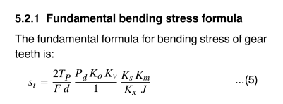
Gear # | No. Teeth | Power Transmitted (hp) | Rotational Speed (rpm) | Torque (lb-in) | Diametral Pitch | Pitch Diameter | Spiral Angle (degrees) | Pressure Angle (degrees) | Pinion Pitch Cone Angle (degrees) | Face Width (in) | Mean Radius Of Pinion | Tangential Force (lb) | Radial Force (lb) | Axial Force (lb) | Pitch Line Velocity (fpm) | Kv | Ks | Ko | Km | Kx | J | St
3 | 18 | 24 | 900 | 1680 | 6.545 | 2.75 | 35 | 20 | 26.565051177 | 1 | 1.1513932023 | 1459.1018921 | 475.00314198 | 237.50157099 | 647.9534848 | 1.2732445096 | 0.51928976318 | 1.5 | 1.1036 | 1 | 0.23 | 38055.104844
4 | 36 | 24 | 450 | 3360 | 6.545 | 5.5 | 35 | 20 | n/a | 1 | n/a | 1459.1018921 | 237.50157099 | 475.00314198 | 647.9534848 | 1.2732445096 | 0.51928976318 | 1.5 | 1.1036 | 1 | 0.21 | 41679.400543
6 | 18 | 16 | 1350 | 746.66666667 | 6.545 | 2.75 | 35 | 20 | 26.565051177 | 1 | 1.1513932023 | 648.48972984 | 211.11250755 | 105.55625377 | 971.9302272 | 1.19375536 | 0.51928976318 | 1.5 | 1.1036 | 1 | 0.23 | 15857.471048
7 | 36 | 16 | 675 | 1493.3333333 | 6.545 | 5.5 | 35 | 20 | n/a | 1 | n/a | 648.48972984 | 105.55625377 | 211.11250755 | 971.9302272 | 1.19375536 | 0.51928976318 | 1.5 | 1.1036 | 1 | 0.21 | 17367.706386

